Sheet1
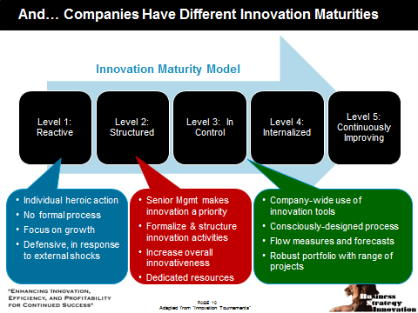
Instructions
1. Read each statement and determine how much you agree with each one (looking at the column headers)
2. Insert a "1" in the column that is most appropriate to indicate an answer. Formulas at the bottom will score the audit and you will see a SCOREING KEY at the bottom as well
3. Check your final score at the bottom against the scoring key at the bottom

Insert a "1" in the column that is most appropriate to indicate an answer. Formulas at the bottom will score the audit and you will see a SCORING KEY at the bottom as well
Braden Kelley's 50 Question Innovation Audit | 4 - Fully | 3 - Often | 2 - Partial | 1 - Little | 0 - None
QUESTIONS 1-10
We have a common definition for the word 'innovation'
Innovation is one of our core values
There is support for taking risks
It is okay to fail once in a while
Our company has an innovation strategy
Our innovation strategy is linked to our corporate strategy
Senior executives drive innovation in our organization
We have people focused on identifying key future market, customer, and other insights
Innovation is the job of my boss
Innovation is part of my job
QUESTIONS 11-20
I know how to submit an innovation idea
We have a web site for submitting innovation ideas
I collaborate on innovation ideas with my coworkers
We have software for innovation management in place
We have a new product development process in place
We launch new products on time
We launch new products faster than our competition
Six sigma is well understood and widely distributed in our organization
We are constantly looking to improve as an organization
We have a methodology for generating ideas in our company
QUESTIONS 21-30
Insert a "1" in the column that is most appropriate to indicate an answer. Formulas at the bottom will score the audit and you will see a SCORING KEY at the bottom as well
I know what kinds of innovation ideas the company is looking for
I have been trained on these one or more innovation methodologies
We have a portfolio of innovation projects
Our portfolio of innovation projects is actively managed
We have a formal process for innovation idea selection
We use one or more innovation methodologies
We have a clear set of innovation metrics
We have a process for killing innovation projects
We have a formal process for innovation idea funding
We have a separate pool of funding available for innovation projects
QUESTIONS 31-40
We have an innovation idea development process
We have a formal process for staffing innovation idea projects
We have a process for recognizing and rewarding innovators
Our organization is a good home for innovators
Our organization is a good home for intrapreneurs
Marketing and R&D have a good relationship and share information
Knowledge of the customer is shared widely in our organization
People have time to innovate in our organization
People know where to go for funding for an innovation idea
There is more than one funding source available for innovation ideas
QUESTIONS 41-50
Insert a "1" in the column that is most appropriate to indicate an answer. Formulas at the bottom will score the audit and you will see a SCORING KEY at the bottom as well
We solicit innovation ideas from employees
We solicit innovation ideas from suppliers
We solicit innovation ideas from partners
We solicit innovation ideas from customers
Suppliers would describe our organization as innovative
Partners would describe our organization as innovative
Customers would describe our organization as innovative
We have a formal process for open innovation
We have a formal innovation public relations strategy
We are considered the partner of first resort for innovation ideas

Column Totals | 0 | 0 | 0 | 0 | 0

Grand Total | 0

Point totals are translated to the innovation maturity model as follows:
•181-200 = Level 5 - Continuously Improving
•151-180 = Level 4 - Internalized
•131-150 = Level 3 - In Control
•101-130 = Level 2 - Structured
•000-100 = Level 1 - Reactive

